Sheet1
List of equipment 5 Gold Rings Mongolia
N.o | Name | Description | Quantity | Image
1 | Adapter 12v | Convert 220v AC to 12v DC/6A | 3 | 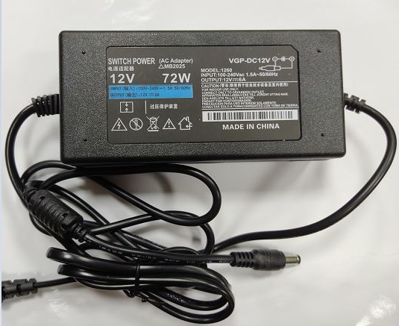
2 | Lipo battery charger | Imax B6 mini, 6A Charging,2A Discharging | 3 | 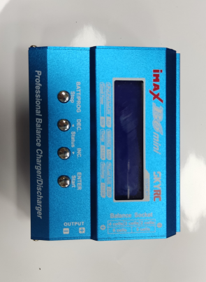
3 | P4M 1-6S XT30 Parallel Charge Board | 2S 3S LiPo Batteries Compatible with XT30 JST Connector | 1 | 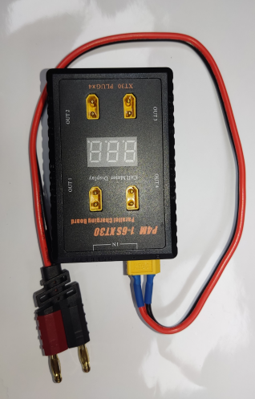
4 | XT30 Parallel Charging Board | 2S 3S LiPo Batteries Compatible with XT30 JST Connector | 2 | 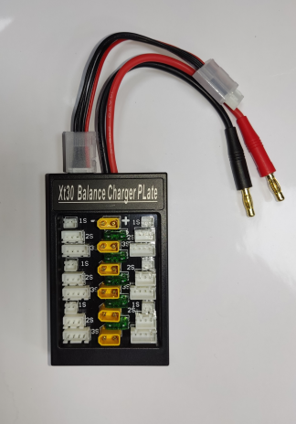
5 | Jack XT30S | Lipo Batteries connect to charger | 10
6 | Jack wire connector 4P 2.54 | Lipo Batteries connect to charger | 10
7 | Lipo battery 2200mA/h | Lipo batteries for 5 Gold Rings | 54 | 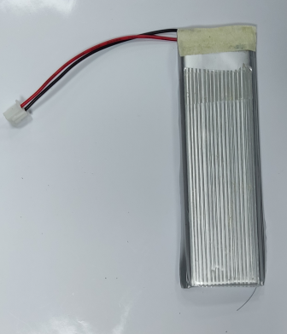
8 | Lipo battery 2000mA/h | Lipo batteries for 5 Gold Rings | 18
9 | 5 Gold Rings controler | Control board process hardware Gold Rings | 2
10 | Board process 5 Gold Rings | Board backup 5 Gold Rings | 2
11 | Ring 1st | Use 3 lipo batteries 2000mAh | 3 | 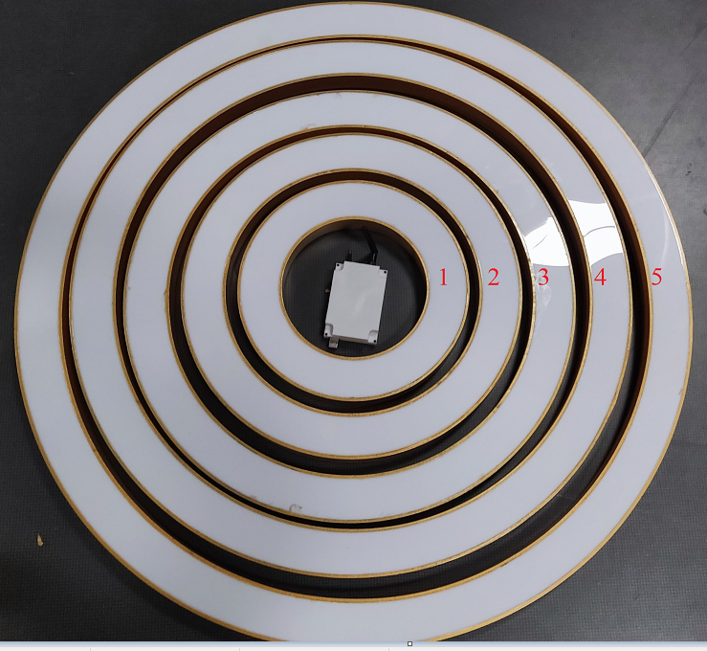
12 | Ring 2nd | Use 3 lipo batteries 2000mAh | 3
13 | Ring 3rd | Use 6 lipo batteries 2200mAh | 3
14 | Ring 4th | Use 6 lipo batteries 2200mAh | 3
15 | Ring 5th | Use 6 lipo batteries 2200mAh | 3

